Sheet1
ObjectFieldSummary |  |  |  |  | Motor A
Field Name | Description | Col Header | List Folder | List Name | Motor B | Source:
Status | Device Status | Device Status |  | Device Status | Motor C | https://www.nerc.com/comm/PC/LoadModelingTaskForceDL/Dynamic%20Load%20Modeling%20Tech%20Ref%202016-11-14%20-%20FINAL.PDF
Mbase | Mbase: Determines how the distribution equivalent MVABase is calculated for loads. |  |  |  | Motor D
Mbase>0 means DistMVABase = Mbase; |  |  |  |  | Static
Mbase<0 means DistMVABase = LoadMW/abs(Mbase); |  |  |  |  | Power Ele.
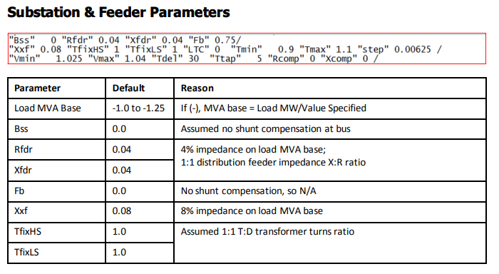
Mbase=0 means DistMVABase = LoadMW/0.8.
Each load record can override this by specifying the TSDistEquivMVABase directly as well. | Mbase | Model Parameters | Mbase
Bss | Bss: Substation shunt capacitor susceptance, p.u. | Bss | Model Parameters | Bss
Rfdr | Rfdr: Feeder equivalent resistance, p.u. | Rfdr | Model Parameters | Rfdr
Xfdr | Xfdr: Feeder equivalent reactance, p.u. | Xfdr | Model Parameters | Xfdr
Fb | Fb: Fraction of feeder shunt capacitance at substation bus end | Fb | Model Parameters | Fb
Xxf | Xxf: Substation transformer reactance, p.u. | Xxf | Model Parameters | Xxf
Tfixhs | Tfixhs: Transformer high side fixed tap, p.u. | Tfixhs | Model Parameters | Tfixhs
Tfixls | Tfixls: Transformer low side fixed tap, p.u. | Tfixls | Model Parameters | Tfixls
LTC | LTC: 1 for automatic tap adjustment (low side variable tap) | LTC | Model Parameters | LTC
Tmin | Tmin: Minimum variable tap, p.u. | Tmin | Model Parameters | Tmin
Tmax | Tmax: Maximum variable tap, p.u. | Tmax | Model Parameters | Tmax
step | step: Variable tap step size, p.u. | step | Model Parameters | step
Vmin | Vmin: Minimum low-side voltage, p.u. | Vmin | Model Parameters | Vmin
Vmax | Vmax: Maximum low-side voltage, p.u. | Vmax | Model Parameters | Vmax
Tdel | Tdel: Time delay to initiate tap adjustment, sec. | Tdel | Model Parameters | Tdel
Tdelstep | Tdelstep: Time delay between tap steps, sec. | Tdelstep | Model Parameters | Tdelstep
Rcmp | Rcmp: Transformer LTC compensating resistance, p.u. | Rcmp | Model Parameters | Rcmp
Xcmp | Xcmp: Transformer LTC compensating reactance, p.u. | Xcmp | Model Parameters | Xcmp
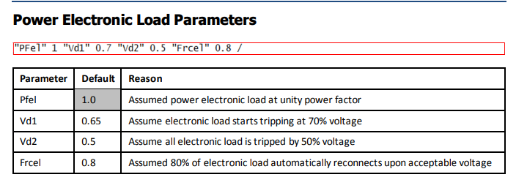
FmA | FmA: Motor A fraction of load P | FmA | Model Parameters | FmA
FmB | FmB: Motor B fraction of load P | FmB | Model Parameters | FmB
FmC | FmC: Motor C fraction of load P | FmC | Model Parameters | FmC
FmD | FmD: Motor D fraction of load P | FmD | Model Parameters | FmD
Fel | Fel: Electronic load fraction of load P | Fel | Model Parameters | Fel
PFel | PFel: Electronic load power factor | PFel | Model Parameters | PFel
Vd1 | Vd1: Voltage below which electronic load decreases, p.u. | Vd1 | Model Parameters | Vd1
Vd2 | Vd2: Voltage below which electronic load is zero, p.u. | Vd2 | Model Parameters | Vd2
frcel | frcel : Fraction of electronic load that recovers from low voltage trip | frcel | Model Parameters | frcel
PFs | PFs: Power factor of static load component | PFs | Model Parameters | PFs
P1e | P1e: Static load – exponent of first P term | P1e | Model Parameters | P1e
P1c | P1c: Static load – coefficient of first P term | P1c | Model Parameters | P1c
P2e | P2e: Static load – exponent of second P term | P2e | Model Parameters | P2e
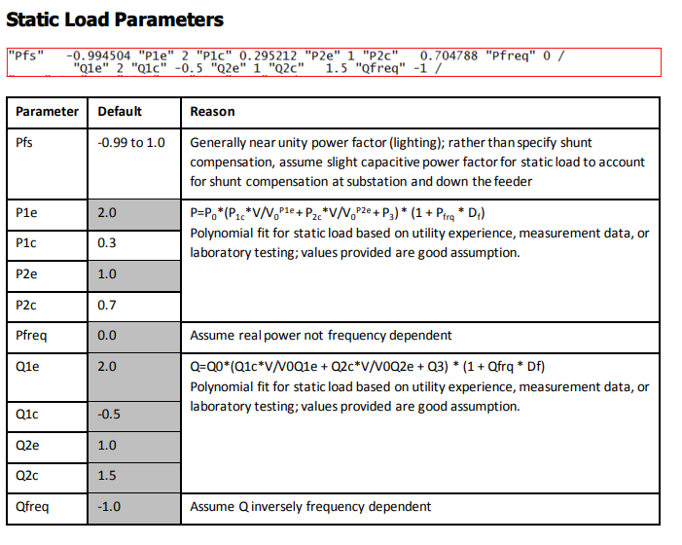
P2c | P2c: Static load – coefficient of second P term | P2c | Model Parameters | P2c
Pfrq | Pfrq: Frequency sensitivity factor for P | Pfrq | Model Parameters | Pfrq
Q1e | Q1e: Static load – exponent of first Q term | Q1e | Model Parameters | Q1e
Q1c | Q1c: Static load – coefficient of first Q term | Q1c | Model Parameters | Q1c
Q2e | Q2e: Static load – exponent of second Q term | Q2e | Model Parameters | Q2e
Q2c | Q2c: Static load – coefficient of second Q term | Q2c | Model Parameters | Q2c
Qfrq | Qfrq: Frequency sensitivity factor for Q | Qfrq | Model Parameters | Qfrq
Mtypa | Mtypa: Motor A type | Mtypa | Model Parameters | Mtypa
Mtypb | Mtypb: Motor B type | Mtypb | Model Parameters | Mtypb
Mtypc | Mtypc: Motor C type | Mtypc | Model Parameters | Mtypc
Mtypd | Mtypd: Motor D type | Mtypd | Model Parameters | Mtypd
LFma | (Type 3) LFma: Motor loading factor, (Type 1) LFma: Motor loading factor | LFma | Model Parameters | LFma
Rsa_CompPFa | (Type 3) Rsa: Stator resistance, p.u., (Type 1) CompPFa: Power Factor | Rsa_CompPFa | Model Parameters | Rsa_CompPFa
Lsa_Vstalla | (Type 3) Lsa: Synchronous reactance, p.u., (Type 1) Vstalla: Stall voltage, p.u. | Lsa_Vstalla | Model Parameters | Lsa_Vstalla
Lpa_Rstalla | (Type 3) Lpa: Transient reactance, p.u., (Type 1) Rstalla: Stall resistance, p.u. | Lpa_Rstalla | Model Parameters | Lpa_Rstalla
Lppa_Xstalla | (Type 3) Lppa: Subtransient reactance, p.u., (Type 1) Xstalla: Stall reactance, p.u. | Lppa_Xstalla | Model Parameters | Lppa_Xstalla
Tpoa_Tstalla | (Type 3) Tpoa: Transient open circuit time constant, sec., (Type 1) Tstalla: Stall time delay, sec. | Tpoa_Tstalla | Model Parameters | Tpoa_Tstalla
Tppoa_Frsta | (Type 3) Tppoa: Subtransient open circuit time constant, sec., (Type 1) Frsta: Fraction of load that can restart after stalling | Tppoa_Frsta | Model Parameters | Tppoa_Frsta
Ha_Vrsta | (Type 3) Ha: Inertia constant, sec., (Type 1) Vrsta: Voltage at which restart can occur, p.u. | Ha_Vrsta | Model Parameters | Ha_Vrsta
Etrqa_Trsta | (Type 3) Etrqa: Mechanical torque exponent, (Type 1) Trsta: Restart time delay, sec. | Etrqa_Trsta | Model Parameters | Etrqa_Trsta
Vtr1a_Fuvra | (Type 3) Vtr1a: First low voltage trip level, p.u. V, (Type 1) Fuvra: Fraction of load with undervoltage relay protection | Vtr1a_Fuvra | Model Parameters | Vtr1a_Fuvra
Ttr1a_Vtr1a | (Type 3) Ttr1a: First low voltage trip delay time, sec., (Type 1) Vtr1a: First undervoltage trip level, p.u. | Ttr1a_Vtr1a | Model Parameters | Ttr1a_Vtr1a
Ftr1a_TTr1a | (Type 3) Ftr1a: First low voltage trip fraction, (Type 1) Ttr1a: First undervoltage trip delay time, sec. | Ftr1a_TTr1a | Model Parameters | Ftr1a_TTr1a
Vrc1a_Vtr2a | (Type 3) Vrc1a: First low voltage reconnection level, p.u. V, (Type 1) Vtr2a: Second undervoltage trip level, p.u. | Vrc1a_Vtr2a | Model Parameters | Vrc1a_Vtr2a
Trc1a_Ttr2a | (Type 3) Trc1a: First low voltage reconnection delay time, sec., (Type 1) Ttr2a: Second undervoltage trip delay time, sec. | Trc1a_Ttr2a | Model Parameters | Trc1a_Ttr2a
Vtr2a_Vc1offa | (Type 3) Vtr2a: Second low voltage trip level, p.u. V, (Type 1) Vc1offa: Contactor voltage at which tripping starts, p.u. | Vtr2a_Vc1offa | Model Parameters | Vtr2a_Vc1offa
Ttr2a_Vc2offa | (Type 3) Ttr2a: Second low voltage trip delay time, sec., (Type 1) Vc2offa: Contactor voltage at which tripping is complete, p.u. | Ttr2a_Vc2offa | Model Parameters | Ttr2a_Vc2offa
Ftr2a_Vc1ona | (Type 3) Ftr2a: Second low voltage trip fraction, (Type 1) Vc1ona: Contactor voltage at which reconnection is complete, p.u. | Ftr2a_Vc1ona | Model Parameters | Ftr2a_Vc1ona
Vrc2a_Vc2ona | (Type 3) Vrc2a: Second low voltage reconnection level, p.u. V, (Type 1) Vc2ona: Contactor voltage at which reconnection starts, p.u. | Vrc2a_Vc2ona | Model Parameters | Vrc2a_Vc2ona
Trc2a_Ttha | (Type 3) Trc2a: Second low voltage reconnection time delay, sec., (Type 1) Ttha: Thermal time constant, sec. | Trc2a_Ttha | Model Parameters | Trc2a_Ttha
Th1ta | (Type 1) Th1ta: Thermal protection trip start level, p.u. temperature | Th1ta | Model Parameters | Th1ta
Th2ta | (Type 1) Th2ta: Thermal protection trip completion level, p.u. temperature | Th2ta | Model Parameters | Th2ta
Tva | (Type 1) Tva: Voltage measurement lag, sec. | Tva | Model Parameters | Tva
LFmb | (Type 3) LFmb: Motor loading factor, (Type 1) LFmb: Motor loading factor | LFmb | Model Parameters | LFmb
Rsb_CompPFb | (Type 3) Rsb: Stator resistance, p.u., (Type 1) CompPFb: Power Factor | Rsb_CompPFb | Model Parameters | Rsb_CompPFb
Lsb_Vstallb | (Type 3) Lsb: Synchronous reactance, p.u., (Type 1) Vstallb: Stall voltage, p.u. | Lsb_Vstallb | Model Parameters | Lsb_Vstallb
Lpb_Rstallb | (Type 3) Lpb: Transient reactance, p.u., (Type 1) Rstallb: Stall resistance, p.u. | Lpb_Rstallb | Model Parameters | Lpb_Rstallb
Lppb_Xstallb | (Type 3) Lppb: Subtransient reactance, p.u., (Type 1) Xstallb: Stall reactance, p.u. | Lppb_Xstallb | Model Parameters | Lppb_Xstallb
Tpob_Tstallb | (Type 3) Tpob: Transient open circuit time constant, sec., (Type 1) Tstallb: Stall time delay, sec. | Tpob_Tstallb | Model Parameters | Tpob_Tstallb
Tppob_Frstb | (Type 3) Tppob: Subtransient open circuit time constant, sec., (Type 1) Frstb: Fraction of load that can restart after stalling | Tppob_Frstb | Model Parameters | Tppob_Frstb
Hb_Vrstb | (Type 3) Hb: Inertia constant, sec., (Type 1) Vrstb: Voltage at which restart can occur, p.u. | Hb_Vrstb | Model Parameters | Hb_Vrstb
Etrqb_Trstb | (Type 3) Etrqb: Mechanical torque exponent, (Type 1) Trstb: Restart time delay, sec. | Etrqb_Trstb | Model Parameters | Etrqb_Trstb
Vtr1b_Fuvrb | (Type 3) Vtr1b: First low voltage trip level, p.u. V, (Type 1) Fuvrb: Fraction of load with undervoltage relay protection | Vtr1b_Fuvrb | Model Parameters | Vtr1b_Fuvrb
Ttr1b_Vtr1b | (Type 3) Ttr1b: First low voltage trip delay time, sec., (Type 1) Vtr1b: First undervoltage trip level, p.u. | Ttr1b_Vtr1b | Model Parameters | Ttr1b_Vtr1b
Ftr1b_TTr1b | (Type 3) Ftr1b: First low voltage trip fraction, (Type 1) Ttr1b: First undervoltage trip delay time, sec. | Ftr1b_TTr1b | Model Parameters | Ftr1b_TTr1b
Vrc1b_Vtr2b | (Type 3) Vrc1b: First low voltage reconnection level, p.u. V, (Type 1) Vtr2b: Second undervoltage trip level, p.u. | Vrc1b_Vtr2b | Model Parameters | Vrc1b_Vtr2b
Trc1b_Ttr2b | (Type 3) Trc1b: First low voltage reconnection delay time, sec., (Type 1) Ttr2b: Second undervoltage trip delay time, sec. | Trc1b_Ttr2b | Model Parameters | Trc1b_Ttr2b
Vtr2b_Vc1offb | (Type 3) Vtr2b: Second low voltage trip level, p.u. V, (Type 1) Vc1offb: Contactor voltage at which tripping starts, p.u. | Vtr2b_Vc1offb | Model Parameters | Vtr2b_Vc1offb
Ttr2b_Vc2offb | (Type 3) Ttr2b: Second low voltage trip delay time, sec., (Type 1) Vc2offb: Contactor voltage at which tripping is complete, p.u. | Ttr2b_Vc2offb | Model Parameters | Ttr2b_Vc2offb
Ftr2b_Vc1onb | (Type 3) Ftr2b: Second low voltage trip fraction, (Type 1) Vc1onb: Contactor voltage at which reconnection is complete, p.u. | Ftr2b_Vc1onb | Model Parameters | Ftr2b_Vc1onb
Vrc2b_Vc2onb | (Type 3) Vrc2b: Second low voltage reconnection level, p.u. V, (Type 1) Vc2onb: Contactor voltage at which reconnection starts, p.u. | Vrc2b_Vc2onb | Model Parameters | Vrc2b_Vc2onb
Trc2b_Tthb | (Type 3) Trc2b: Second low voltage reconnection time delay, sec., (Type 1) Tthb: Thermal time constant, sec. | Trc2b_Tthb | Model Parameters | Trc2b_Tthb
Th1tb | (Type 1) Th1tb: Thermal protection trip start level, p.u. temperature | Th1tb | Model Parameters | Th1tb
Th2tb | (Type 1) Th2tb: Thermal protection trip completion level, p.u. temperature | Th2tb | Model Parameters | Th2tb
Tvb | (Type 1) Tvb: Voltage measurement lag, sec. | Tvb | Model Parameters | Tvb
LFmc | (Type 3) LFmc: Motor loading factor, (Type 1) LFmc: Motor loading factor | LFmc | Model Parameters | LFmc
Rsc_CompPFc | (Type 3) Rsc: Stator resistance, p.u., (Type 1) CompPFc: Power Factor | Rsc_CompPFc | Model Parameters | Rsc_CompPFc
Lsc_Vstallc | (Type 3) Lsc: Synchronous reactance, p.u., (Type 1) Vstallc: Stall voltage, p.u. | Lsc_Vstallc | Model Parameters | Lsc_Vstallc
Lpc_Rstallc | (Type 3) Lpc: Transient reactance, p.u., (Type 1) Rstallc: Stall resistance, p.u. | Lpc_Rstallc | Model Parameters | Lpc_Rstallc
Lppc_Xstallc | (Type 3) Lppc: Subtransient reactance, p.u., (Type 1) Xstallc: Stall reactance, p.u. | Lppc_Xstallc | Model Parameters | Lppc_Xstallc
Tpoc_Tstallc | (Type 3) Tpoc: Transient open circuit time constant, sec., (Type 1) Tstallc: Stall time delay, sec. | Tpoc_Tstallc | Model Parameters | Tpoc_Tstallc
Tppoc_Frstc | (Type 3) Tppoc: Subtransient open circuit time constant, sec., (Type 1) Frstc: Fraction of load that can restart after stalling | Tppoc_Frstc | Model Parameters | Tppoc_Frstc
Hc_Vrstc | (Type 3) Hc: Inertia constant, sec., (Type 1) Vrstc: Voltage at which restart can occur, p.u. | Hc_Vrstc | Model Parameters | Hc_Vrstc
Etrqc_Trstc | (Type 3) Etrqc: Mechanical torque exponent, (Type 1) Trstc: Restart time delay, sec. | Etrqc_Trstc | Model Parameters | Etrqc_Trstc
Vtr1c_Fuvrc | (Type 3) Vtr1c: First low voltage trip level, p.u. V, (Type 1) Fuvrc: Fraction of load with undervoltage relay protection | Vtr1c_Fuvrc | Model Parameters | Vtr1c_Fuvrc
Ttr1c_Vtr1c | (Type 3) Ttr1c: First low voltage trip delay time, sec., (Type 1) Vtr1c: First undervoltage trip level, p.u. | Ttr1c_Vtr1c | Model Parameters | Ttr1c_Vtr1c
Ftr1c_TTr1c | (Type 3) Ftr1c: First low voltage trip fraction, (Type 1) Ttr1c: First undervoltage trip delay time, sec. | Ftr1c_TTr1c | Model Parameters | Ftr1c_TTr1c
Vrc1c_Vtr2c | (Type 3) Vrc1c: First low voltage reconnection level, p.u. V, (Type 1) Vtr2c: Second undervoltage trip level, p.u. | Vrc1c_Vtr2c | Model Parameters | Vrc1c_Vtr2c
Trc1c_Ttr2c | (Type 3) Trc1c: First low voltage reconnection delay time, sec., (Type 1) Ttr2c: Second undervoltage trip delay time, sec. | Trc1c_Ttr2c | Model Parameters | Trc1c_Ttr2c
Vtr2c_Vc1offc | (Type 3) Vtr2c: Second low voltage trip level, p.u. V, (Type 1) Vc1offc: Contactor voltage at which tripping starts, p.u. | Vtr2c_Vc1offc | Model Parameters | Vtr2c_Vc1offc
Ttr2c_Vc2offc | (Type 3) Ttr2c: Second low voltage trip delay time, sec., (Type 1) Vc2offc: Contactor voltage at which tripping is complete, p.u. | Ttr2c_Vc2offc | Model Parameters | Ttr2c_Vc2offc
Ftr2c_Vc1onc | (Type 3) Ftr2c: Second low voltage trip fraction, (Type 1) Vc1onc: Contactor voltage at which reconnection is complete, p.u. | Ftr2c_Vc1onc | Model Parameters | Ftr2c_Vc1onc
Vrc2c_Vc2onc | (Type 3) Vrc2c: Second low voltage reconnection level, p.u. V, (Type 1) Vc2onc: Contactor voltage at which reconnection starts, p.u. | Vrc2c_Vc2onc | Model Parameters | Vrc2c_Vc2onc
Trc2c_Tthc | (Type 3) Trc2c: Second low voltage reconnection time delay, sec., (Type 1) Tthc: Thermal time constant, sec. | Trc2c_Tthc | Model Parameters | Trc2c_Tthc
Th1tc | (Type 1) Th1tc: Thermal protection trip start level, p.u. temperature | Th1tc | Model Parameters | Th1tc
Th2tc | (Type 1) Th2tc: Thermal protection trip completion level, p.u. temperature | Th2tc | Model Parameters | Th2tc
Tvc | (Type 1) Tvc: Voltage measurement lag, sec. | Tvc | Model Parameters | Tvc
LFmd | (Type 3) LFmd: Motor loading factor, (Type 1) LFmd: Motor loading factor | LFmd | Model Parameters | LFmd
Rsd_CompPFd | (Type 3) Rsd: Stator resistance, p.u., (Type 1) CompPFd: Power Factor | Rsd_CompPFd | Model Parameters | Rsd_CompPFd
Lsd_Vstalld | (Type 3) Lsd: Synchronous reactance, p.u., (Type 1) Vstalld: Stall voltage, p.u. | Lsd_Vstalld | Model Parameters | Lsd_Vstalld
Lpd_Rstalld | (Type 3) Lpd: Transient reactance, p.u., (Type 1) Rstalld: Stall resistance, p.u. | Lpd_Rstalld | Model Parameters | Lpd_Rstalld
Lppd_Xstalld | (Type 3) Lppd: Subtransient reactance, p.u., (Type 1) Xstalld: Stall reactance, p.u. | Lppd_Xstalld | Model Parameters | Lppd_Xstalld
Tpod_Tstalld | (Type 3) Tpod: Transient open circuit time constant, sec., (Type 1) Tstalld: Stall time delay, sec. | Tpod_Tstalld | Model Parameters | Tpod_Tstalld
Tppod_Frstd | (Type 3) Tppod: Subtransient open circuit time constant, sec., (Type 1) Frstd: Fraction of load that can restart after stalling | Tppod_Frstd | Model Parameters | Tppod_Frstd
Hd_Vrstd | (Type 3) Hd: Inertia constant, sec., (Type 1) Vrstd: Voltage at which restart can occur, p.u. | Hd_Vrstd | Model Parameters | Hd_Vrstd
Etrqd_Trstd | (Type 3) Etrqd: Mechanical torque exponent, (Type 1) Trstd: Restart time delay, sec. | Etrqd_Trstd | Model Parameters | Etrqd_Trstd
Vtr1d_Fuvrd | (Type 3) Vtr1d: First low voltage trip level, p.u. V, (Type 1) Fuvrd: Fraction of load with undervoltage relay protection | Vtr1d_Fuvrd | Model Parameters | Vtr1d_Fuvrd
Ttr1d_Vtr1d | (Type 3) Ttr1d: First low voltage trip delay time, sec., (Type 1) Vtr1d: First undervoltage trip level, p.u. | Ttr1d_Vtr1d | Model Parameters | Ttr1d_Vtr1d
Ftr1d_TTr1d | (Type 3) Ftr1d: First low voltage trip fraction, (Type 1) Ttr1d: First undervoltage trip delay time, sec. | Ftr1d_TTr1d | Model Parameters | Ftr1d_TTr1d
Vrc1d_Vtr2d | (Type 3) Vrc1d: First low voltage reconnection level, p.u. V, (Type 1) Vtr2d: Second undervoltage trip level, p.u. | Vrc1d_Vtr2d | Model Parameters | Vrc1d_Vtr2d
Trc1d_Ttr2d | (Type 3) Trc1d: First low voltage reconnection delay time, sec., (Type 1) Ttr2d: Second undervoltage trip delay time, sec. | Trc1d_Ttr2d | Model Parameters | Trc1d_Ttr2d
Vtr2d_Vc1offd | (Type 3) Vtr2d: Second low voltage trip level, p.u. V, (Type 1) Vc1offd: Contactor voltage at which tripping starts, p.u. | Vtr2d_Vc1offd | Model Parameters | Vtr2d_Vc1offd
Ttr2d_Vc2offd | (Type 3) Ttr2d: Second low voltage trip delay time, sec., (Type 1) Vc2offd: Contactor voltage at which tripping is complete, p.u. | Ttr2d_Vc2offd | Model Parameters | Ttr2d_Vc2offd
Ftr2d_Vc1ond | (Type 3) Ftr2d: Second low voltage trip fraction, (Type 1) Vc1ond: Contactor voltage at which reconnection is complete, p.u. | Ftr2d_Vc1ond | Model Parameters | Ftr2d_Vc1ond
Vrc2d_Vc2ond | (Type 3) Vrc2d: Second low voltage reconnection level, p.u. V, (Type 1) Vc2ond: Contactor voltage at which reconnection starts, p.u. | Vrc2d_Vc2ond | Model Parameters | Vrc2d_Vc2ond
Trc2d_Tthd | (Type 3) Trc2d: Second low voltage reconnection time delay, sec., (Type 1) Tthd: Thermal time constant, sec. | Trc2d_Tthd | Model Parameters | Trc2d_Tthd
Th1td | (Type 1) Th1td: Thermal protection trip start level, p.u. temperature | Th1td | Model Parameters | Th1td
Th2td | (Type 1) Th2td: Thermal protection trip completion level, p.u. temperature | Th2td | Model Parameters | Th2td
Tvd | (Type 1) Tvd: Voltage measurement lag, sec. | Tvd | Model Parameters | Tvd

